BUG_01
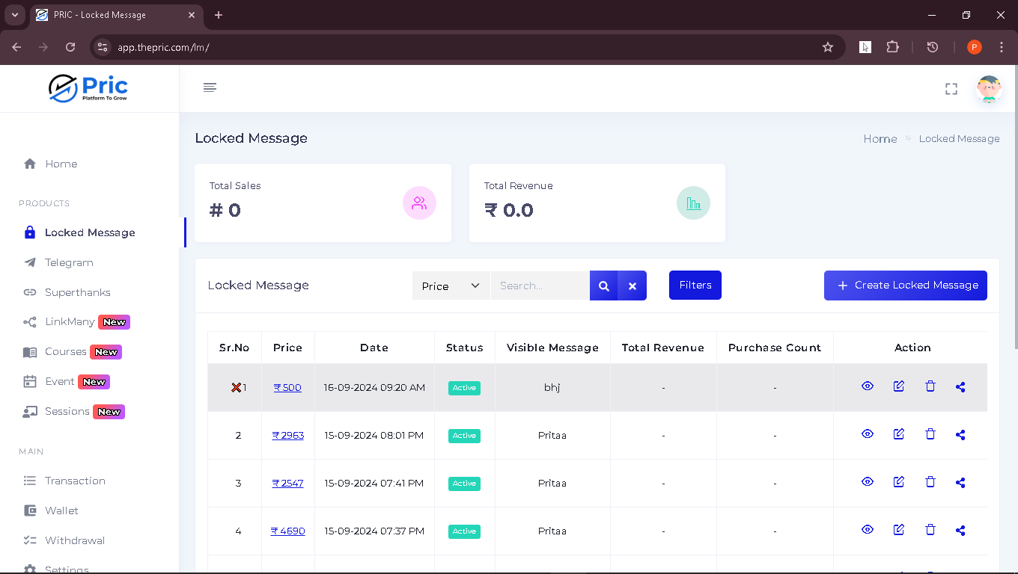
BugID | LockedMsg01
Summary : | After deleting the locked messege user still able to made changes in
Steps to reproduce: | 1.create new locked messege 2. click on the "delete" icon and delete the locked messege 3.without refreshing the page click on the "Edit" icon which is present in the"Actions" 4.after clicking on edit opion made changes in locked messege and save it on clicking on "Submit" button
Expected result: | after deleting the locked messege "Edit" options should not be functional
Actual result: | after deleting the locked messege "Edit" options should not be functional
Severity: | medium
Priority: | medium
Environment : | Browser: Chrome , Os:- Windows 11 (Bit-64) , Device: Hp
Status : | open
c

